Restaurant Log In
Link to this design | https://dcrazed.net/css-html-login-form-templates/
File name in Drive | material-login-form.zip

Notes to remember
1 | background image would be pulled from TechBongo CDN
2 | Techbongo Add space should be utilised by content from Techbongo Service or Google add service

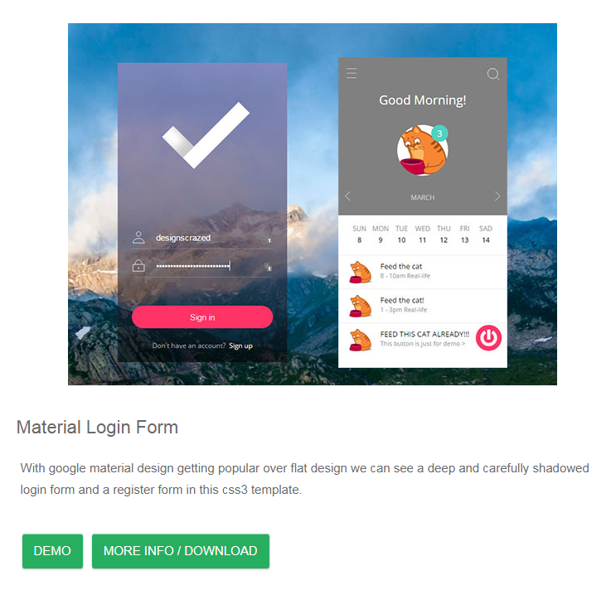

 |  | Foody logo. Logo would be finalised after design is completed.

TechBongo Add Space

Restaurant Dashboard
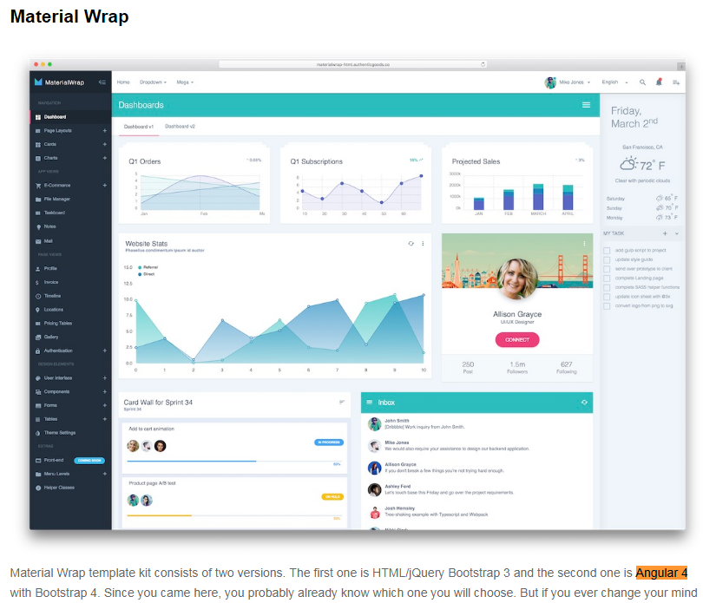
Link to this design | http://preview.themeforest.net/item/material-wrap-multipurpose-admin-theme/full_screen_preview/19588707

Table View
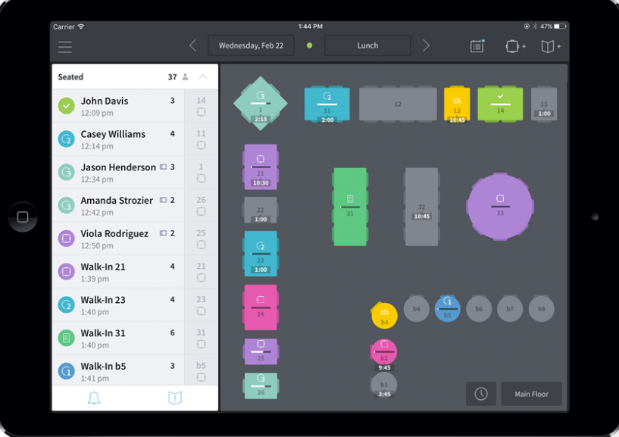
Link to this image | https://www.google.co.in/search?biw=1920&bih=900&tbm=isch&sa=1&ei=rlT7WqCtB4XY0gTkgrCYDg&q=restaurants+table+availibility+app+design&oq=restaurants+table+availibility+app+design&gs_l=img.3...2770.3814.0.4110.4.4.0.0.0.0.215.644.2-3.3.0....0...1c.1.64.img..1.0.0....0.GPPcEG87bPg#imgrc=-2tta43qzTLX2M:

We will discuss tonight about generating this view, if possible to generate such view now.

